Summary -film table
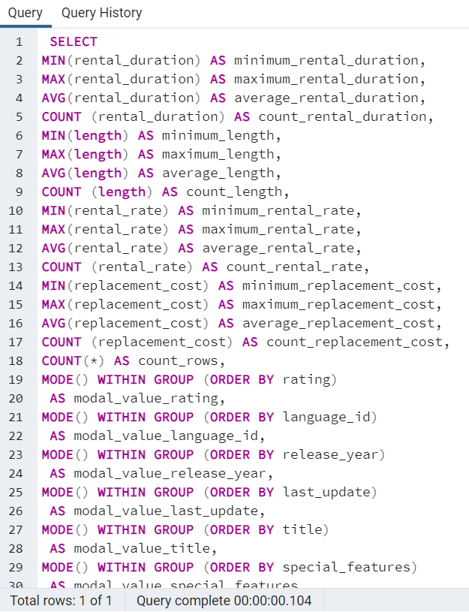
minimum_rental_duration | maximum_rental_duration | average_rental_duration | count_rental_duration | minimum_length | maximum_length | average_length | count_length | minimum_rental_rate | maximum_rental_rate | average_rental_rate | count_rental_rate | minimum_replacement_cost | maximum_replacement_cost | average_replacement_cost | count_replacement_cost | count_rows | modal_value_rating | modal_value_language_id | modal_value_release_year | modal_value_last_update | modal_value_title | modal_value_special_features | modal_value_fulltext
3 | 7 | 4.985 | 1000 | 46 | 185 | 115.272 | 1000 | 0.99 | 4.99 | 2.98 | 1000 | 9.99 | 29.99 | 19.984 | 1000 | 1000 | PG-13 | 1 | 2006 | 5/26/13 | Academy Dinosaur | {Trailers,Commentaries,"Behind the Scenes"} | 'baloon':19 'confront':14 'documentari':5 'feminist':8,11,16 'mile':2 'must':13 'spi':1 'thrill':4

Summary- customer table
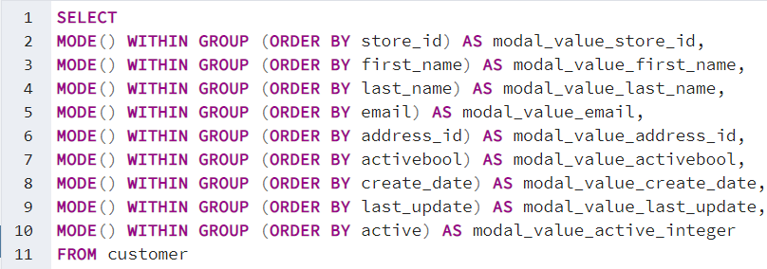
modal_value_store_id | modal_value_first_name | modal_value_last_name | modal_value_email | modal_value_address_id | modal_value_activebool | modal_value_create_date | modal_value_last_update | modal_value_active_integer
1 | Jamie | Abney | aaron.selby@sakilacustomer.org | 5 | TRUE | 2006-02-14 | 5/26/13 | 1

Top 10 movies
film_title | total_revenue | name
Telegraph Voyage | 215.75 | Music
Zorro Ark | 199.72 | Comedy
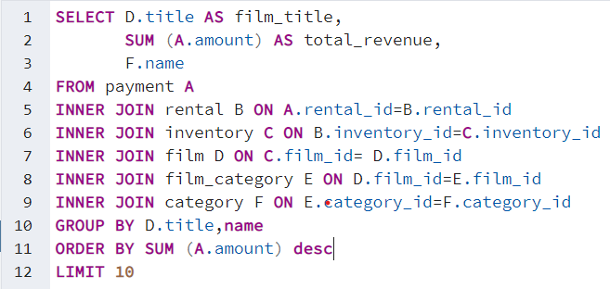
Wife Turn | 198.73 | Documentary
Innocent Usual | 191.74 | Foreign
Hustler Party | 190.78 | Comedy
Saturday Lambs | 190.74 | Sports
Titans Jerk | 186.73 | Sci-Fi
Harry Idaho | 177.73 | Drama
Torque Bound | 169.76 | Drama
Dogma Family | 168.72 | Animation

bottom 10 movies
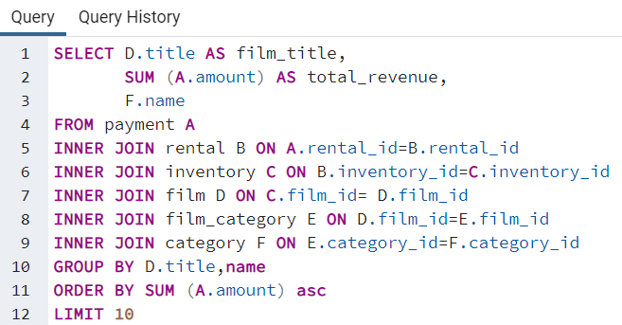
film_title | total_revenue | name
Texas Watch | 5.94 | Horror
Oklahoma Jumanji | 5.94 | New
Duffel Apocalypse | 5.94 | Documentary
Freedom Cleopatra | 5.95 | Comedy
Rebel Airport | 6.93 | Music
Young Language | 6.93 | Documentary
Cruelty Unforgiven | 6.94 | Classics
Treatment Jekyll | 6.94 | Drama
Lights Deer | 7.93 | Classics
Stallion Sundance | 7.94 | Sci-Fi

Top 10 countries
country | number of customers
India | 60
China | 53
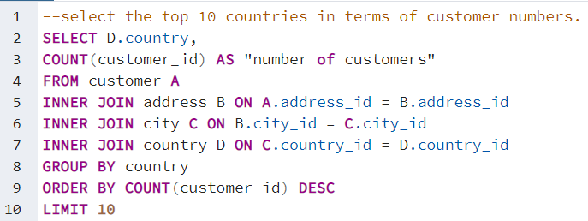
United States | 36
Japan | 31
Mexico | 30
Brazil | 28
Russian Federation | 28
Philippines | 20
Turkey | 15
Indonesia | 14

Top 5 high paid customers
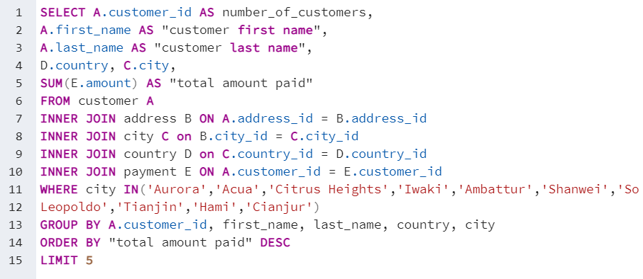
number_of_customers | customer first name | customer last name | country | city | total amount paid
225 | Arlene | Harvey | India | Ambattur | 111.76
424 | Kyle | Spurlock | China | Shanwei | 109.71
240 | Marlene | Welch | Japan | Iwaki | 106.77
486 | Glen | Talbert | Mexico | Acua | 100.77
537 | Clinton | Buford | United States | Aurora | 98.76

Average rental duration
average_rental_duration | minimum_rental_duration | maximum_rental_duration | genres
6 | 6 | 6 | Thriller
5.350877193 | 3 | 7 | Travel
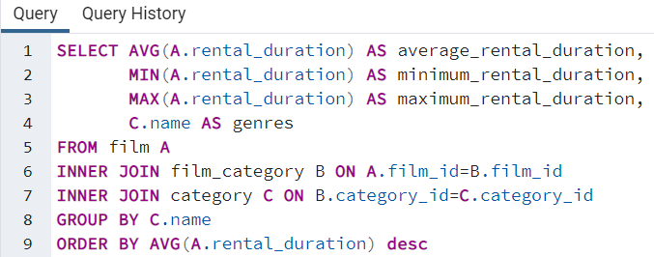
5.2352941176 | 3 | 7 | Music
5.1617647059 | 3 | 7 | Family
5.1095890411 | 3 | 7 | Foreign
5.0806451613 | 3 | 7 | Drama
5.0701754386 | 3 | 7 | Classics
5.0655737705 | 3 | 7 | Games
5.0333333333 | 3 | 7 | Children
4.953125 | 3 | 7 | Action
4.9310344828 | 3 | 7 | Comedy
4.8939393939 | 3 | 7 | Animation
4.8852459016 | 3 | 7 | Sci-Fi
4.8571428571 | 3 | 7 | Horror
4.7647058824 | 3 | 7 | Documentary
4.746031746 | 3 | 7 | New
4.7162162162 | 3 | 7 | Sports

total revenue by genres
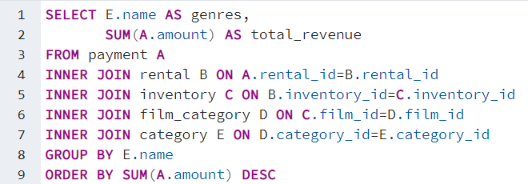
genres | total_revenue
Sports | 4892.19
Sci-Fi | 4336.01
Animation | 4245.31
Drama | 4118.46
Comedy | 4002.48
New | 3966.38
Action | 3951.84
Foreign | 3934.47
Games | 3922.18
Family | 3782.26
Documentary | 3749.65
Horror | 3401.27
Classics | 3353.38
Children | 3309.39
Travel | 3227.36
Music | 3071.52
Thriller | 47.89

10 countries with high revenue
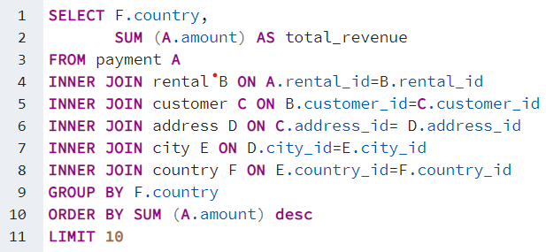
country | total_revenue
India | 6032.79
China | 5247.04
United States | 3694.27
Japan | 3121.52
Mexico | 2984.82
Brazil | 2919.19
Russian Federation | 2765.62
Philippines | 2219.7
Turkey | 1498.49
Indonesia | 1352.69

sales by geographic region
country | number_of_customer | revenue | Region
India | 60 | 6034.78 | Asia & Pacific
China | 53 | 5251.03 | Asia & Pacific
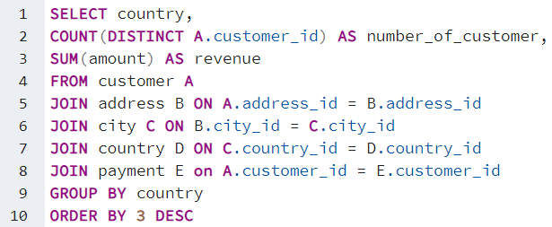
United States | 36 | 3685.31 | North America
Japan | 31 | 3122.51 | Asia & Pacific
Mexico | 30 | 2984.82 | South/Latin America
Brazil | 28 | 2919.19 | South/Latin America
Russian Federation | 28 | 2765.62 | Europe
Philippines | 20 | 2219.7 | Asia & Pacific
Turkey | 15 | 1498.49 | Europe
Indonesia | 14 | 1352.69 | Asia & Pacific
Nigeria | 13 | 1314.92 | Africa
Argentina | 13 | 1298.8 | South/Latin America
Taiwan | 10 | 1155.1 | Asia & Pacific
South Africa | 11 | 1069.46 | Africa
Iran | 8 | 877.96 | Middle east
United Kingdom | 9 | 850.96 | Europe
Poland | 8 | 786.16 | Europe
Italy | 7 | 753.26 | Europe
Germany | 7 | 741.24 | Europe
Vietnam | 6 | 676.45 | Asia & Pacific
Ukraine | 6 | 675.53 | Europe
Colombia | 6 | 661.54 | South/Latin America
Egypt | 6 | 659.48 | Middle east
Venezuela | 7 | 632.43 | South/Latin America
Canada | 5 | 559.7 | North America
Netherlands | 5 | 557.73 | Europe
South Korea | 5 | 527.77 | Asia & Pacific
Spain | 5 | 513.8 | Europe
Yemen | 4 | 473.93 | Middle east
Pakistan | 5 | 473.84 | Asia & Pacific
Saudi Arabia | 5 | 452.94 | Middle east
Peru | 4 | 407.01 | South/Latin America
Thailand | 3 | 401.08 | Asia & Pacific
Israel | 4 | 379.13 | Middle east
Ecuador | 3 | 369.18 | South/Latin America
Bangladesh | 3 | 353.19 | Asia & Pacific
Algeria | 3 | 349.18 | Arab States
France | 4 | 334.12 | Europe
Malaysia | 3 | 330.23 | Asia & Pacific
Tanzania | 3 | 322.22 | Africa
Mozambique | 3 | 315.25 | Africa
United Arab Emirates | 3 | 305.25 | Middle east
Dominican Republic | 3 | 304.26 | South/Latin America
Chile | 3 | 303.34 | South/Latin America
Austria | 3 | 284.3 | Europe
Morocco | 3 | 274.35 | Arab States
Paraguay | 3 | 273.4 | South/Latin America
Belarus | 2 | 271.36 | Europe
Latvia | 2 | 249.43 | Europe
Switzerland | 3 | 248.41 | Europe
Kenya | 2 | 245.49 | Africa
Yugoslavia | 2 | 233.49 | Europe
Puerto Rico | 2 | 224.48 | South/Latin America
Romania | 2 | 218.42 | Europe
Runion | 1 | 211.55 | Africa
French Polynesia | 2 | 205.52 | Asia & Pacific
Greece | 2 | 204.54 | Europe
Sudan | 2 | 202.51 | Arab States
Azerbaijan | 2 | 198.53 | Asia & Pacific
Bulgaria | 2 | 194.52 | Europe
Kazakstan | 2 | 192.51 | Asia & Pacific
Angola | 2 | 187.55 | Africa
Cameroon | 2 | 186.49 | Africa
Myanmar | 2 | 179.53 | Asia & Pacific
Cambodia | 2 | 179.51 | Asia & Pacific
Bolivia | 2 | 178.56 | South/Latin America
Congo, The Democratic Republic of the | 2 | 168.58 | Africa
Oman | 2 | 161.56 | Middle east
Holy See (Vatican City State) | 1 | 146.68 | Europe
Nauru | 1 | 143.7 | Asia & Pacific
Sweden | 1 | 139.67 | Europe
Czech Republic | 1 | 132.72 | Europe
Moldova | 1 | 127.66 | Europe
Turkmenistan | 1 | 126.74 | Asia & Pacific
Chad | 1 | 122.72 | Africa
Malawi | 1 | 121.73 | Africa
Zambia | 1 | 121.7 | Africa
Virgin Islands, U.S. | 1 | 121.69 | South/Latin America
Greenland | 1 | 119.72 | Europe
Armenia | 1 | 118.75 | Europe
Gambia | 1 | 114.73 | Africa
Iraq | 1 | 111.73 | Middle east
Hungary | 1 | 111.71 | Europe
Bahrain | 1 | 108.76 | Arab States
North Korea | 1 | 107.71 | Asia & Pacific
Brunei | 1 | 107.66 | Asia & Pacific
Kuwait | 1 | 106.75 | Middle east
Estonia | 1 | 105.72 | Europe
Hong Kong | 1 | 104.76 | Asia & Pacific
Sri Lanka | 1 | 103.73 | Asia & Pacific
Liechtenstein | 1 | 99.74 | Europe
Anguilla | 1 | 99.68 | South/Latin America
French Guiana | 1 | 97.8 | South/Latin America
Faroe Islands | 1 | 96.76 | Europe
Senegal | 1 | 95.76 | Africa
Nepal | 1 | 93.83 | Asia & Pacific
Tuvalu | 1 | 93.78 | Asia & Pacific
Madagascar | 1 | 92.79 | Africa
Ethiopia | 1 | 91.77 | Africa
New Zealand | 1 | 85.77 | Asia & Pacific
Slovakia | 1 | 80.77 | Europe
Finland | 1 | 78.79 | Europe
Tunisia | 1 | 73.78 | Arab States
Afghanistan | 1 | 67.82 | Asia & Pacific
Tonga | 1 | 64.84 | Asia & Pacific
Saint Vincent and the Grenadines | 1 | 64.82 | South/Latin America
Lithuania | 1 | 63.78 | Europe
American Samoa | 1 | 47.85 | Asia & Pacific

